Sheet1
Minimize Distance for the Travelers

Solution: | https://en.wikipedia.org/wiki/Bridge_and_torch_problem

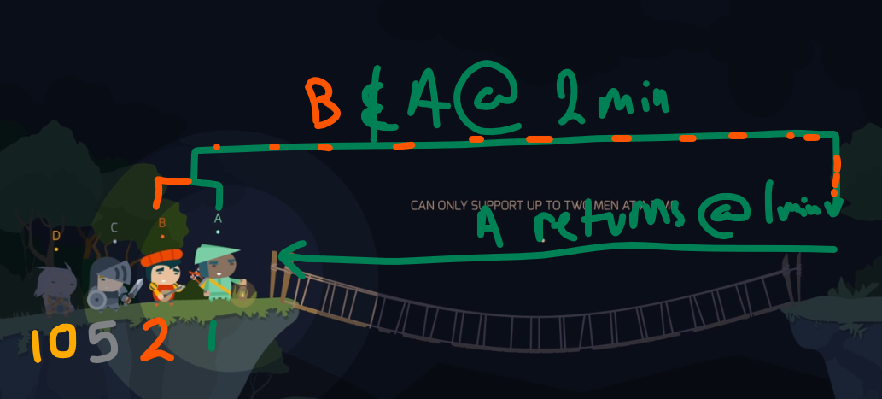
Cross 1
 | Who Crosses | Minutes
Orig-> Dest | A,B | 2
Dest->Orig | A | 1

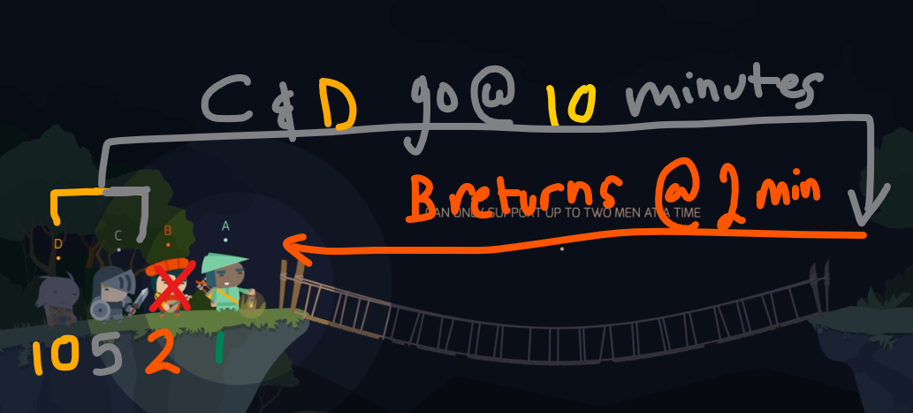
Cross 2
 | Who Crosses | Minutes
Orig-> Dest | C,D | 10
Dest->Orig | B | 2

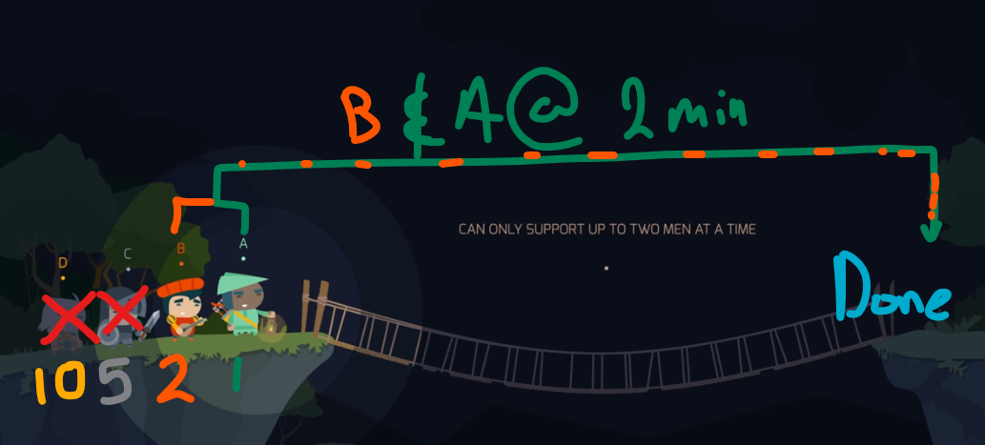
Cross 3
 | Who Crosses | Minutes
Orig-> Dest | B, A | 2

 | Total Time (Minutes) | 17

